Mind Maps
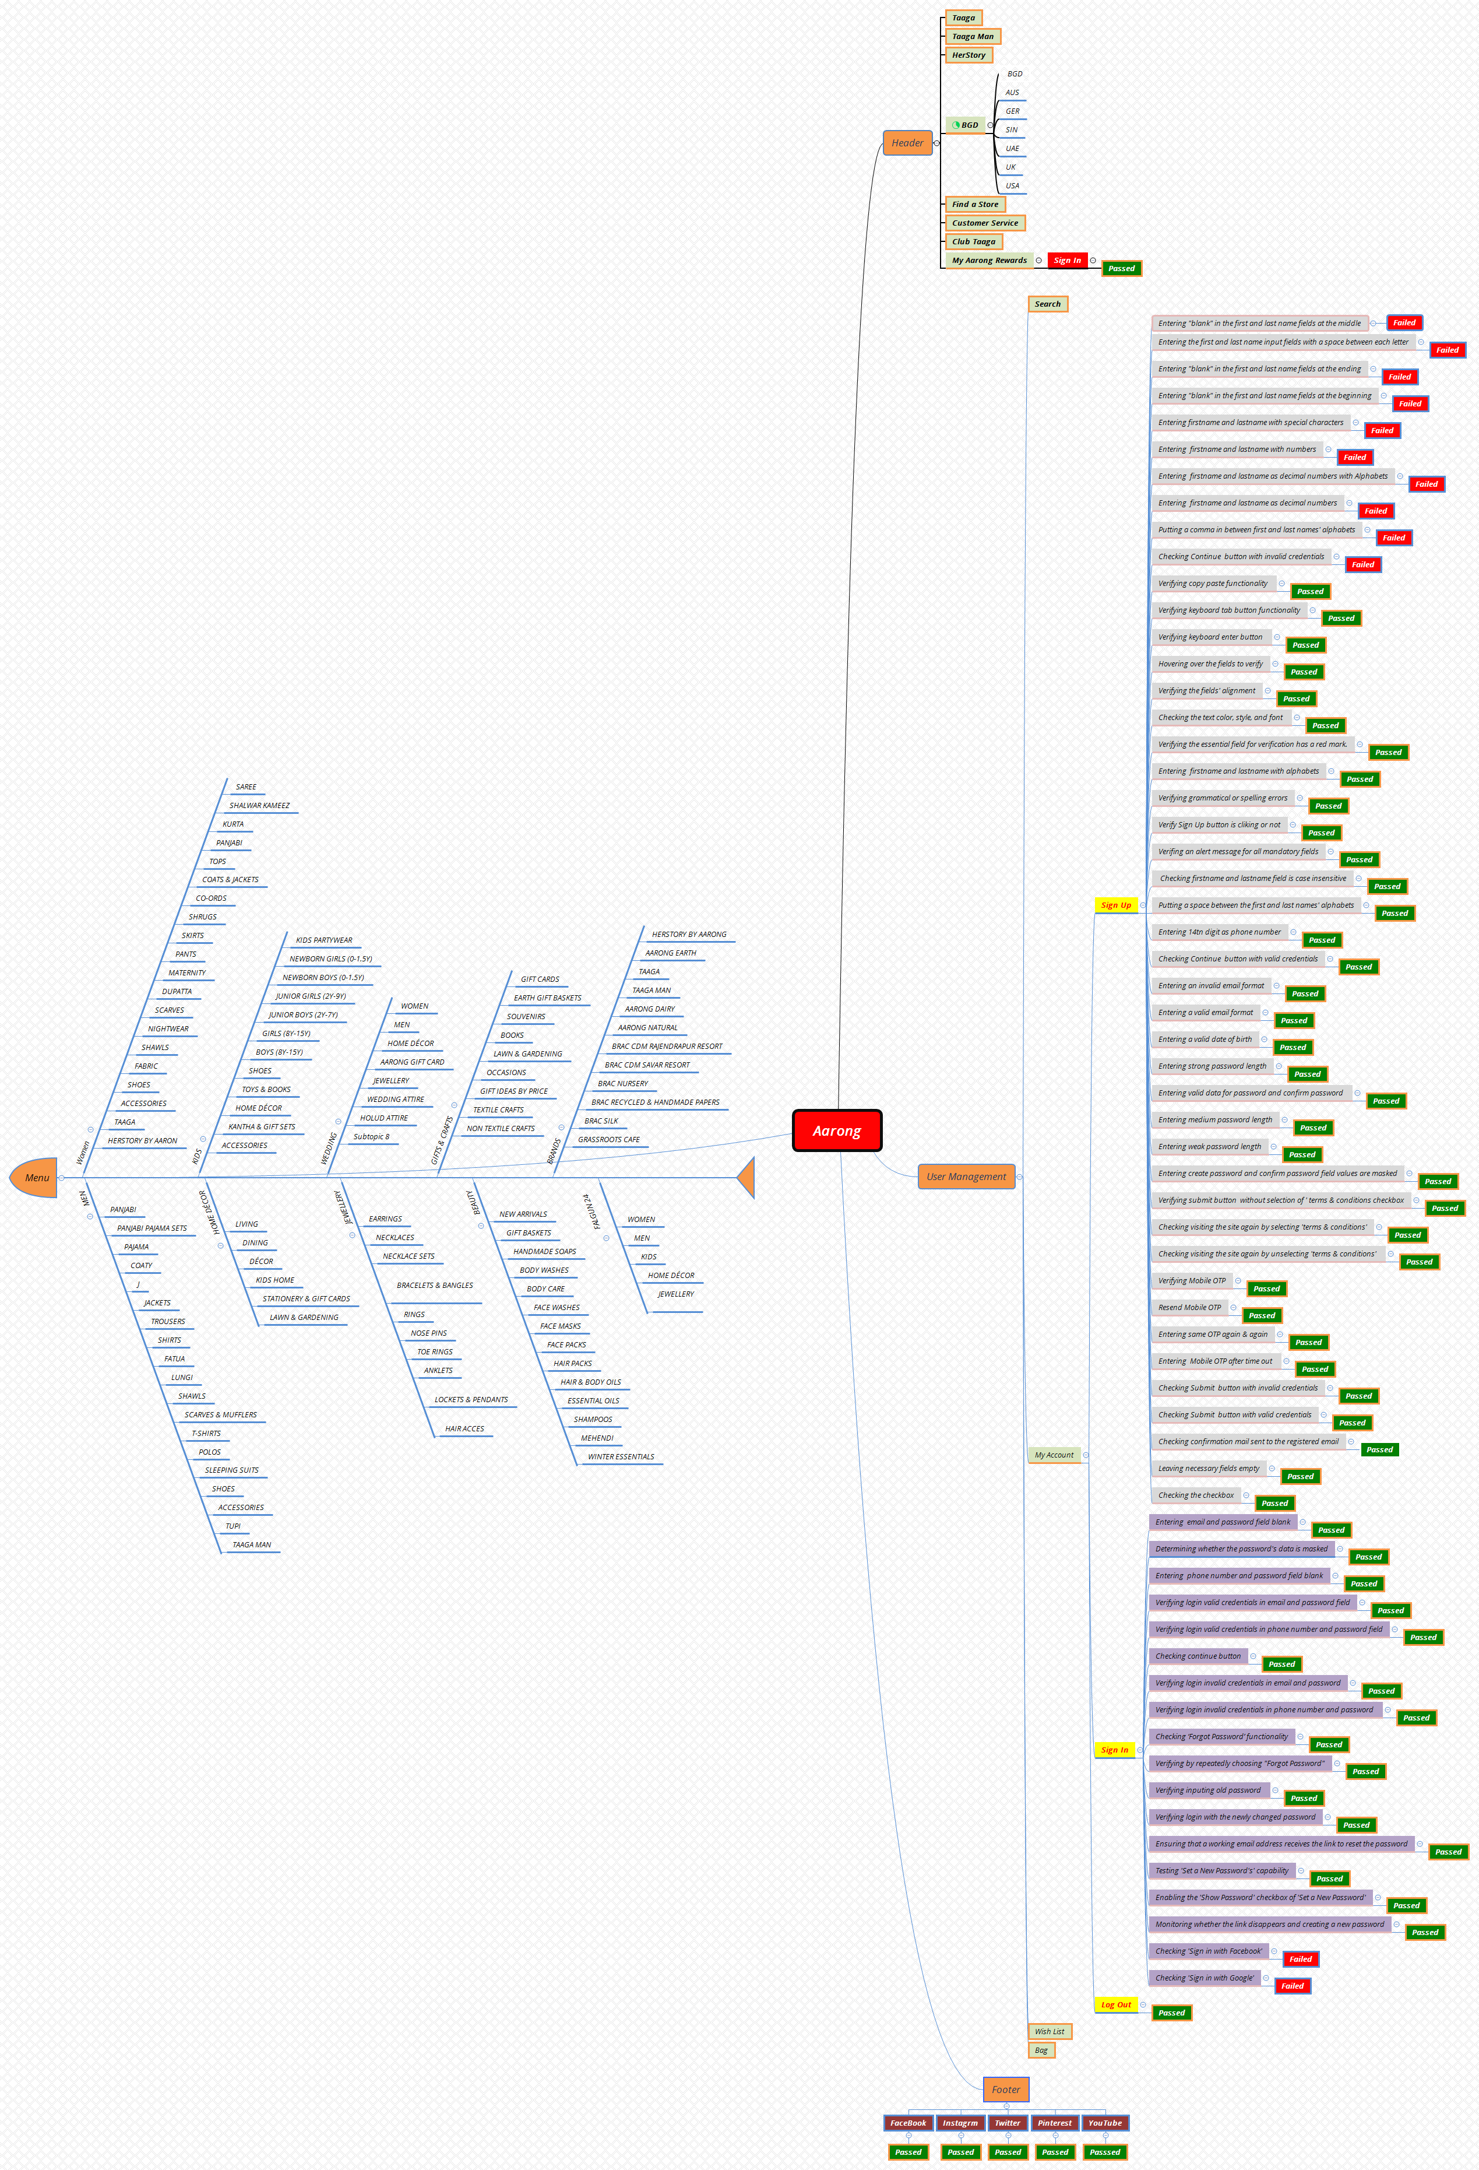
Mind Maps(Aarong)

Test Case Report
 |  |  |  |  |  | Aarong Test Case Report
Test Case Report |  |  |  |  |  |  | Total No. | Status
Project Name | AARONG |  |  |  |  |  | 62 | PASS
Module Name | Sign Up and Sign In |  |  |  |  |  | 12 | FAIL
Test Case Version | Version-01 |  |  |  |  |  | 0 | Not Executed
Written By | Mst. Khadheza Sultana Erani |  |  |  |  |  | 0 | Out of Scope
Executed By | Mst. Khadheza Sultana Erani
Test Case Report
Reviewed By | Sabiul Islam
TEST EXECUTION REPORT

Test Case | PASS | FAIL | Not Executed | Out Of Scope | Total TC
 | 62 | 12 | 0 | 0 | 74
Grand Total | 62 | 12 | 0 | 0 | 74

